COVER
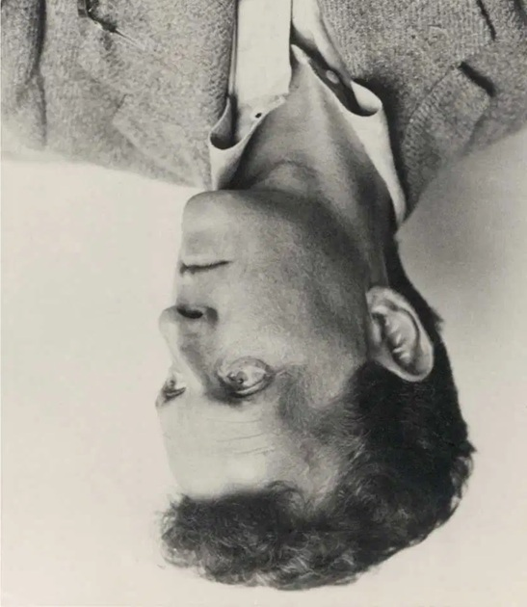

The World Divides Into Facts: A Novel
 | Nicholas Katsafanas

 | Abstract
Reimi and Buddy share what can only be deemed God-given honest opinions that they have every right to express on their trip to East Asia. Then Reimi and her sister Nikke take in an anonymous French Mannerist's painting. Finally, Reimi shares with Buddy a particularly noteworthy month-long dip into insanity her sister Nikke recently endured.

